Sheet1
 |  | Document No. |  | Issue No. |  |  | Review and Replace Date |  | Authorised By
 |  | GFF349MC |  | 3 |  |  | 29.03.2023 |  | Magda Shah
 |  | Document Title | Saag Chana Masala with Butternut Squash and Brown Rice 400g
Document amendments reason for change |  | Tray & Film changed Brown Rice recipe name changed |  |  | Page 1 of 1 | Previous Issue Date |  | 14.03.2022 | Uncontrolled copy unless signed original

FVSMBSR-R8TMC | MINDFUL CHEF |  | Saag Chana Masala with Butternut Squash and Brown Rice 400g | FROZEN
STEP 1 |  |  |  | STEP 2
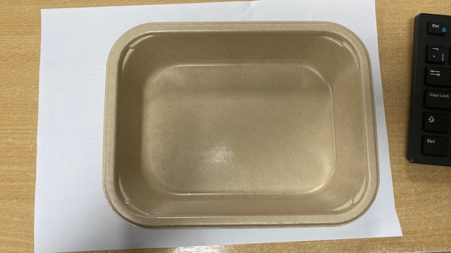 |  |  |  | 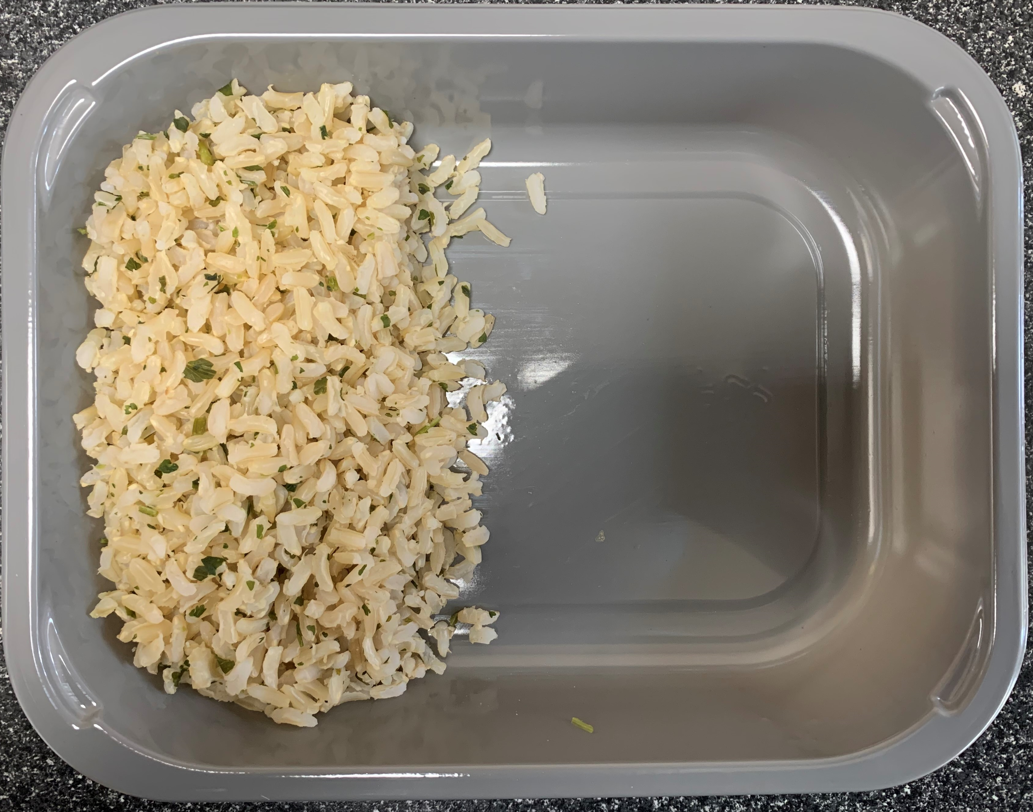

PACK DAY + 1 YEAR
NON-MAP PACK

Tray: Flat Tray-PET Fresh Fibre Food Tray (200 x 155 x 39)-PKHUH001-01 |  |  |  | Coriander Brown Rice (GFF255R): 100g
Film: K peel 7G+25A/f-275mm-(PKKMP001-03)
STEP 3 |  |  |  |  | STEP 4
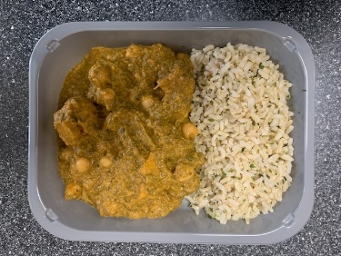 |  |  |  |  | 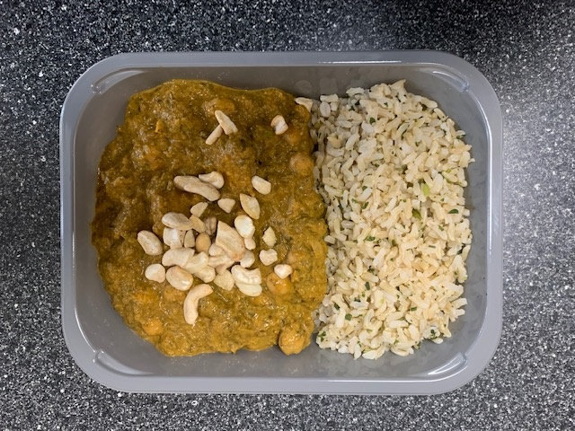

Saag Chana Butternut Sauce (MC) (GFF413R) :295g |  |  |  |  | LP Roasted Cashews (RMKLU001-03) : 5g |  |  |  |  | TOTAL WEIGHT: 400g

ALLERGY ALERT: MUSTARDS, NUTS

